Pivot tables
 |  |  |  |  | Total Sales | ------------ |  |  |  |  |  |  | Sheet income sources
 |  |  |  |  | ₹ 5,301,192 |  | pivot table |  | Created table |  | Earth points |  |  |  |  | for scatter chart we need 2 points X and Y |  |  |  |  |  |  |  |  |  |  |  |  | Quantity of items |  |  |  |  |  |  |  |  | Operating profits | 165,790
Row Labels | Sum of Amount | Sum of Amount2 |  |  |  |  |  |  |  |  |  |  |  |  |  |  |  |  |  |  |  |  |  |  |  | We will analyze total income by months. |  |  | use the first pivot table |  |  |  |  |  |  |  | Monthly Average Income
 | Doughnut
 | 1
 | 1
 | 1
 | 1
 | 1
 | 1
 | 1
 | 1
 | 1
 | 1
 | 1
 | 1
 | 1
 | 1
 | 1
 | 1
 | 1
 | 1
 | 1
 | 1
 | 1
 | 1
 | 1
 | 1
 | 1
 | 1
 | 1
 | 1
 | 1
 | 1
 | 1
 | 1
 | 1
 | 1
 | 1
 | 1
 | 1
 | 1
 | 1
 | 1
 | 1
 | 1
 | 1
 | 1
 | 1
 | 1
 | 1
 | 1
 | 1
 | 1
...
Brazil | 516888 | 9.75% | Brazil | 10% |  |  | Sum of Amount | Sum of Target | Remaining Percentage | Actual | Brazil | 516,888 | Income Sources | Sum of Income | Share |  | X | Y | Amount | Max | Without Max | Sum of Income | Sum of Target Income | Income | Target
Canada | 523248 | 9.87% | Canada | 10% |  |  | 5301192 | 7583085.48 | 30% | 70% | Canada | 523,248 | Advertising | 227163.185 | 27.40% | Advertising | 1 | 3 | 227,163 | 227,163 |  | 828,952 | 920,129 | 90% | 10% | Income Sources | Sum of Income | Source_of_Income | Income Sources | Sum of Counts | Share |  | X | Y | Count | Count% | 69,079 | Income Sources | Sum of operating profit |  | Sum of Income | Share | Income Sources | Income | Share
United Kingdom | 792892 | 14.96% | United Kingdom | 15% |  |  |  |  |  |  | United Kingdom | 792,892 | Asset sale | 82830 | 9.99% | Asset sale | 7 | 2 | 82,830 |  | 82,830 |  |  |  |  | Jan | 71042.45 | 71042.45 | Advertising | 50405.782 | 19.28% | Advertising | 1 | 3 | 50,406 | 19% |  | Dec | 13376.96 | B2B | 714241.08 | 86.16% | B2B | 714,241 | 86%
Russia | 939036 | 17.71% | Russia | 18% |  |  |  |  |  |  | Russia | 939,036 | Licensing | 155729.655 | 18.79% | Licensing | 4 | 1 | 155,730 |  | 155,730 |  |  |  |  | Feb | 66884.8 | 66884.8 | Asset sale | 12773.76 | 4.89% | Asset sale | 7 | 2 | 12,774 | 5% |  | Nov | 14015.124 | B2C | 114710.94 | 13.84% | B2C | 114,711 | 14%
USA | 1061368 | 20.02% | USA | 20% |  |  |  |  |  |  | USA | 1,061,368 | Renting | 60477.28 | 7.30% | Renting | 2 | 8 | 60,477 |  | 60,477 |  |  |  |  | Mar | 66884.8 | 66884.8 | Licensing | 98365.478 | 37.62% | Licensing | 4 | 1 | 98,365 | 38% |  | Oct | 13376.96
Egypt | 1467760 | 27.69% | Egypt | 28% |  |  |  |  |  |  | Egypt | 1,467,760 | Subscription | 128451.9 | 15.50% | Subscription | 6 | 6 | 128,452 |  | 128,452 |  |  |  |  | Apr | 68204.8 | 68204.8 | Renting | 50849.149 | 19.45% | Renting | 2 | 8 | 50,849 | 19% |  | Sep | 14345.809
Grand Total | 5301192 | 100.00% |  |  |  |  |  |  |  |  |  |  | Usage fees | 174300 | 21.03% | Usage fees | 5 | 9 | 174,300 |  | 174,300 |  |  |  |  | May | 75200.12 | 75200.12 | Subscription | 21245.461 | 8.13% | Subscription | 6 | 6 | 21,245 | 8% |  | Aug | 14278.237
 |  |  |  |  |  |  |  |  |  |  |  |  | Grand Total | 828952.02 | 100.00% |  |  |  |  |  |  |  |  |  |  | Jun | 66884.8 | 66884.8 | Usage fees | 27827.568 | 10.64% | Usage fees | 5 | 9 | 27,828 | 11% |  | Jul | 13376.96
 |  |  |  |  |  |  |  |  |  |  |  |  |  |  |  |  |  |  |  |  |  |  |  |  |  | Jul | 66884.8 | 66884.8 | Grand Total | 261467.198 | 100.00% |  |  |  |  |  |  | Jun | 13376.96
 |  |  |  |  |  |  |  |  |  |  |  |  |  |  |  |  |  |  |  |  |  |  |  |  |  | Aug | 71391.185 | 71391.185 |  |  |  |  |  |  |  |  |  | May | 15040.024
 |  |  |  |  |  |  |  |  |  |  |  |  |  |  |  |  |  |  |  |  |  |  |  |  |  | Sep | 71729.045 | 71729.045 |  |  |  |  |  |  |  |  |  | Apr | 13640.96
 |  |  |  |  |  |  |  |  |  |  |  |  |  |  |  |  |  |  |  |  |  |  |  |  |  | Oct | 66884.8 | 66884.8 |  |  |  |  |  |  |  |  |  | Mar | 13376.96
 |  |  |  |  |  |  |  |  |  |  |  |  |  |  |  |  |  |  |  |  |  |  |  |  |  | Nov | 70075.62 | 70075.62 |  |  |  |  |  |  |  |  |  | Feb | 13376.96
 |  |  |  |  |  |  |  |  |  |  |  |  |  |  |  |  |  |  |  |  |  |  |  |  |  | Dec | 66884.8 | 66884.8 |  |  |  |  |  |  |  |  |  | Jan | 14208.49
 |  |  |  |  |  |  |  |  |  |  |  |  |  |  |  |  |  |  |  |  |  |  |  |  |  | Grand Total | 828952.02 | 828952.02 |  |  |  |  |  |  |  |  |  | Grand Total | 165790.404

Geographically
Browse
Project Status
Income Sources
Sales Process
Geographically
Financial Statistics Dashboard System

Financial Statistics
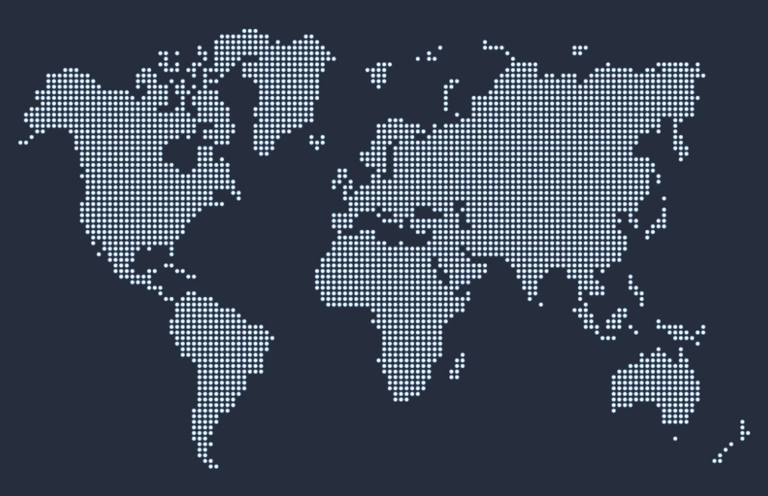

₹ 53,01,192
Canada
5,23,248
Russia
9,39,036

United Kingdom
7,92,892
 | Brazil | Canada | United Kingdom | Russia | USA | Egypt
 | 10% | 10% | 15% | 18% | 20% | 28%
Brazil
516888
9.75%
Canada
523248
9.87%
United Kingdom
792892
14.96%
Egypt
1467760
27.69%
Russia
939036
17.71%
USA
1061368
20.02%
•
•
•
•
•
•

USA
10,61,368
Egypt
14,67,760

Brazil
5,16,888
Remaining Percentage | 30%
Actual | 70%

Sales Target Acheived

Income Sources
Financial Statistics Dashboard System
Browse
Project Status
Income Sources
Sales Process
Geographically

Income Sources
Average Monthly Income
69,079

Grand total of incomes and their breakdowns showing the achievements percentage and highlight for most valuable source,Marketing strategies, and operating profit.
 | Income Sources | Maximum
1 | 3 | 3
7 | 2 | 2
4 | 1 | 1
2 | 8 | 8
6 | 6 | 6
5 | 9 | 9

 | Total
Dec | 13376.96
Nov | 14015.124
Oct | 13376.96
Sep | 14345.809
Aug | 14278.237
Jul | 13376.96
Jun | 13376.96
May | 15040.024
Apr | 13640.96
Mar | 13376.96
Feb | 13376.96
Jan | 14208.49
Operating Profits
1,65,790

 | Doughnut
 | 1
 | 1
 | 1
 | 1
 | 1
 | 1
 | 1
 | 1
 | 1
 | 1
 | 1
 | 1
 | 1
 | 1
 | 1
 | 1
 | 1
 | 1
 | 1
 | 1
 | 1
 | 1
 | 1
 | 1
 | 1
 | 1
 | 1
 | 1
 | 1
 | 1
 | 1
 | 1
 | 1
 | 1
 | 1
 | 1
 | 1
 | 1
 | 1
 | 1
 | 1
 | 1
 | 1
 | 1
 | 1
 | 1
 | 1
 | 1
 | 1
 | 1
...
90%
Income Achieved

Financial Statistics
8,28,952
Income Target
9,20,129

 | Sum of Income | Source_of_Income
Jan | 71042.45 | 71042.45
Feb | 66884.8 | 66884.8
Mar | 66884.8 | 66884.8
Apr | 68204.8 | 68204.8
May | 75200.12 | 75200.12
Jun | 66884.8 | 66884.8
Jul | 66884.8 | 66884.8
Aug | 71391.185 | 71391.185
Sep | 71729.045 | 71729.045
Oct | 66884.8 | 66884.8
Nov | 70075.62 | 70075.62
Dec | 66884.8 | 66884.8

Quantity of Items
B2B
86%
7,14,241

Advertising
Asset sale
Licensing
Usage fees
Subscription
Renting
•
50,406
12,774
98,365
27,828
21,245
50,849
19%
5%
38%
11%
8%
19%

•
B2C
14%
1,14,711
•
•

•
•

Sales Process
Other Levels
Browse
Project Status
Income Sources
Sales Process
Geographically
Financial Statistics Dashboard System

set of repeatable steps that a sale takes to take a prospective buyer from the early stage of awareness to a closed sales.
 | Total
Paid | 82%
Refunded | 18%
 | Total
Branch | 215
Download | 214
Shipment | 339
 | 0
Sales Process
○

Registered Customer Info
276
 | First | Second | Third
 | 1 | 70% | 1
 | 1 | 30% | -0.2909385563
 | 1
 | 1
 | 1
 | 1
 | 1
 | 1
 | 1
 | 1
 | 1
 | 1
 | 1
 | 1
 | 1
 | 1
 | 1
 | 1
 | 1
 | 1
 | 1
 | 1
 | 1
 | 1
 | 1
 | 1
 | 1
 | 1
 | 1
 | 1
 | 1
 | 1
 | 1
 | 1
 | 1
 | 1
 | 1
 | 1
 | 1
 | 1
 | 1
 | 1
 | 1
 | 1
 | 1
 | 1
 | 1
 | 1
 | 1
 | 1
...
2,94,032
Financial
Statistics
Branch
1,00,362
Download
72,827
Shipment
1,20,843
Credit Card
256

Branches
146
○
○

|
|
|

Customers
|
Paid Orders
628

768
|
○

Website
622
Cash
512
Non Registered
Customer Info
492

Pivot Tables for Sales process
 |  |  |  |  |  |  |  | ○ |  |  |  | Total sales by type of delivery |  |  |  | Count of delivery types |  | Refunded percentage pei chart |  | pie chart
Sum of Amount | Sum of Target | Actual | Target | Labels | Row Labels | Count of POS | ‮‮‮‮ Ô |  | Line | Circle | Count
294,032 | 418,244 | 70% | 30% | 70% | Website | 622 |  | Branches |  |  | 146 | Row Labels | Sum of Amount |  |  | Row Labels | Count of Delivery Type | Row Labels | Count of Sale Status
 |  |  |  | 30% | Branches | 146 |  | Website | | | ○ | 622 | Branch | 100,362 | Branch | 100,362 | Branch | 215 | Paid | 82% |  | Refunded | 18%
 |  | X | Y |  | Grand Total | 768 |  |  |  |  |  | Download | 72,827 | Download | 72,827 | Download | 214 | Refunded | 18%
 |  | 0 | 1 |  |  |  |  |  |  |  |  | Shipment | 120,843 | Shipment | 120,843 | Shipment | 339 | Grand Total | 100.00%
 |  | -0.95674173968 | -0.2909385563 |  |  |  |  |  |  |  |  | Grand Total | 294,032 |  |  | Grand Total | 768
 |  |  |  |  |  |  |  |  |  |  |  |  |  |  | 294,032
 |  |  |  |  | Row Labels | Count of Payment Method |  |  | Line | Circle | Count
 | First | Second | Third
 | 1 | 70% | 1
 | 1 | 30% | -0.2909385563
 | 1
 | 1
 | 1
 | 1
 | 1
 | 1
 | 1
 | 1
 | 1
 | 1
 | 1
 | 1
 | 1
 | 1
 | 1
 | 1
 | 1
 | 1
 | 1
 | 1
 | 1
 | 1
 | 1
 | 1
 | 1
 | 1
 | 1
 | 1
 | 1
 | 1
 | 1
 | 1
 | 1
 | 1
 | 1
 | 1
 | 1
 | 1
 | 1
 | 1
 | 1
 | 1
 | 1
 | 1
 | 1
 | 1
 | 1
 | 1
...
 |  |  |  |  | Credit Card | 512 |  | Credit Card | | | ○ | 512
 |  |  |  |  | Cash on Delivery | 256 |  | Cash on Delivery |  |  | 256
 |  |  |  |  | Grand Total | 768

 |  |  |  |  | Row Labels | Count of Registration Status |  |  | Line | Circle | Count
 |  |  |  |  | Register Customer info | 492 |  | Register Customer info | | | ○ | 492
 |  |  |  |  | Non-Registered Customer info | 276 |  | Non-Registered Customer info |  |  | 276
 |  |  |  |  | Grand Total | 768

 |  |  |  |  | Row Labels | Count of Order Number
 |  |  |  |  | Paid | 628 |  | Paid | 628
 |  |  |  |  | Refunded | 140
 |  |  |  |  | Grand Total | 768

 |  |  |  |  | Count of Order Number |  |  | Count of Order Number | 768
 |  |  |  |  | 768

Project Status
Other Levels
Browse
Project Status
Income Sources
Sales Process
Geographically

